Asthma_R vs PM2-5_CA_2011-16
 | Asthma_PM2.5_2012
79.17391304 | 8.049433339
87.5
70.56315789 | 7.797619048
45.26666667 | 7.001855718
65.04583333
39.08571429 | 9.01839166
95.36086957 | 7.061688312
84.74666667
72.52941176
92.13333333 | 12.34651283
39.4
91.4 | 6.867154547
125.0388889 | 10.63075
61.05 | 7.558449074
83.83333333 | 6.910020152
127.6777778 | 14.78323228
108.4352941 | 3.916666667
39.925
64.81666667 | 11.24567355
122.6555556 | 12.1181682
48.24761905 | 8.095042818
47.01818182
83.86315789 | 6.142586392
129.5238095 | 10.92383003
68.13333333
17.86
61.995 | 5.731877422
50.41052632
46.18 | 4.634188034
50.28571429 | 10.05680851
40.35238095 | 5.146652144
61.93 | 11.28076923
55.3826087 | 8.289702849
77.59130435 | 8.527390181
49.65333333 | 4.859564078
77.74347826 | 10.75781893
53 | 9.760525959
74.54782609 | 8.196360972
79.87619048 | 11.02611203
43.92941176 | 7.522016274
57.94782609 | 8.570083234
60.37894737 | 8.108218449
45.17619048 | 7.925612952
46.82352941 | 5.808606752
71.23157895 | 5.905521472
70.95384615 | 5.738983051
97.86666667 | 9.00660066
63.11818182 | 8.257294103
86.81904762 | 13.3261861
...
2016 Asthma Rate | 2011 PM2.5 | 2012 PM2.5 | 2013 PM2.5 | 2014 PM2.5 | 2015 PM2.5 | 2016 PM2.5
79.7 | 9.319156758 | 8.049433339 | 10.61184399 | 8.550984971 | 9.340246407 | 7.695975166
71.02
 | Asthma_PM2.5_2011
70.9173913 | 9.319156758
78.48333333
72.73333333 | 12.00327869
66.50833333 | 9.242926483
61.89166667
38.97857143 | 5.830244552
93.23478261 | 8.458422939
83.3375
38.44375
81.35217391 | 15.16257259
48.68571429
83.21428571 | 8.803835006
91.53529412 | 9.759793814
64.40714286 | 8.444740134
70.67142857 | 8.260165148
115.7055556 | 17.07742668
133.7588235 | 3.518032787
42.11818182
62.30416667 | 11.83193744
112.5 | 17.67533753
49.32 | 10.11266376
51.95454545
116.3263158 | 8.72986428
118.945 | 15.71937179
61.05
15.96666667
61.43333333 | 6.307554766
44.19444444
51.67857143 | 4.676470588
44.15454545 | 10.35865801
37.87 | 8.462295082
63.36666667 | 11.44632035
53.87391304 | 8.651489601
72.9173913 | 10.44487179
65.5 | 5.781961988
71.43043478 | 11.09334764
49.86956522 | 10.15453427
70.11363636 | 9.55420844
77.5 | 12.03968038
51.55294118 | 8.897803125
49.73809524 | 8.867820558
47.08421053 | 9.420523256
46.54285714 | 8.190731205
46.92777778 | 6.520391325
85.04444444 | 5.169642857
108.7166667
39.1 | 5.564516129
94.95 | 10.13958285
69.4 | 8.639355825
81.3047619 | 15.9953107
...
68.96111111 | 12.00327869 | 7.797619048 | 10.16666667 | 8.807407407 | 9.169578313 | 7.600914634
50.42727273 | 9.242926483 | 7.001855718 | 9.24300512 | 7.922195986 | 8.771994473 | 8.101435407
64.07916667
32.01538462 | 5.830244552 | 9.01839166 | 7.435803538 | 6.543521798 | 6.837357178 | 4.665881348
78.37727273 | 8.458422939 | 7.061688312 | 9.848263788 | 8.59770249 | 8.886865276 | 7.098264563
85.97857143
39.20588235
88.59090909 | 15.16257259 | 12.34651283 | 14.69641356 | 13.69688145 | 13.46803162 | 11.2792338
39.17333333
116.4571429 | 8.803835006 | 6.867154547 | 7.642023346 | 10.59469916 | 8.427291812 | 5.962854807
93.86111111 | 9.759793814 | 10.63075 | 9.962979684 | 16.68586449 | 12.82632486 | 11.66455285
68.1 | 8.444740134 | 7.558449074 | 7.995986079 | 7.919697142 | 7.051228995 | 5.352193969
 | 2012 |  | 2013 |  | 2014
79.17391304 | 8.049433339 | 81.72173913 | 10.61184399 | 128.5 | 8.550984971
87.5 |  | 84.68461538 |  | 66.72857143
70.56315789 | 7.797619048 | 70.825 | 10.16666667 | 80.825 | 8.807407407
45.26666667 | 7.001855718 | 60.88461538 | 9.24300512 | 61.60714286 | 7.922195986
65.04583333 |  | 63.84166667 |  | 66.74166667
39.08571429 | 9.01839166 | 52.925 | 7.435803538 | 46.17857143 | 6.543521798
95.36086957 | 7.061688312 | 85.09545455 | 9.848263788 | 87.11304348 | 8.59770249
84.74666667 |  | 63.77142857 |  | 64.83333333
72.52941176 |  | 39.5625 |  | 52.55
92.13333333 | 12.34651283 | 89.59047619 | 14.69641356 | 83.34545455 | 13.69688145
39.4 |  | 44.44285714 |  | 44.94666667
91.4 | 6.867154547 | 97.145 | 7.642023346 | 98.15 | 10.59469916
125.0388889 | 10.63075 | 100.35 | 9.962979684 | 95.05625 | 16.68586449
61.05 | 7.558449074 | 62.86666667 | 7.995986079 | 69.0625 | 7.919697142
83.83333333 | 6.910020152 | 80.88095238 | 9.130939095 | 83.65238095 | 6.713157895
127.6777778 | 14.78323228 | 113.8277778 | 18.07660434 | 111.2736842 | 17.04384442
108.4352941 | 3.916666667 | 95.06111111 | 3.868852459 | 102.5578947 | 4.06557377
39.925 |  | 45.375 |  | 46.07692308
64.81666667 | 11.24567355 | 64.70416667 | 11.31395813 | 66.77083333 | 13.36201201
122.6555556 | 12.1181682 | 91.01666667 | 14.04884755 | 94.94444444 | 12.30671195
48.24761905 | 8.095042818 | 44.49 | 10.85516106 | 51.04 | 10.79908622
47.01818182 |  | 46.91 |  | 42.55454545
83.86315789 | 6.142586392 | 63.91666667 | 9.617894383 | 101.3210526 | 7.134820736
129.5238095 | 10.92383003 | 127.1047619 | 13.30856846 | 129.1263158 | 10.8316318
68.13333333 |  | 57.35 |  | 80.6
17.86 |  | 29.01 |  | 30.5375
61.995 | 5.731877422 | 69.47 | 6.541280166 | 63.33809524 | 4.775783043
50.41052632 |  | 47.49473684 |  | 60.65263158
46.18 | 4.634188034 | 77.02666667 | 6.892631579 | 42.38571429 | 5.385555556
50.28571429 | 10.05680851 | 46.73636364 | 9.577901786 | 49.52727273 | 11.88257576
40.35238095 | 5.146652144 | 43.61428571 | 6.622941446 | 46.62857143 | 6.708379234
61.93 | 11.28076923 | 65.04166667 | 10.92696078 | 50.125 | 12.40091743
55.3826087 | 8.289702849 | 53.07272727 | 8.532491237 | 53.50833333 | 11.14183085
77.59130435 | 8.527390181 | 77.58695652 | 8.065117613 | 82.475 | 7.796676005
49.65333333 | 4.859564078 | 64.6 | 6.039039767 | 61.22142857 | 4.702479339
77.74347826 | 10.75781893 | 72.09130435 | 10.59445545 | 69.05217391 | 10.74778761
53 | 9.760525959 | 49.6826087 | 7.448133981 | 57.24347826 | 7.315866624
74.54782609 | 8.196360972 | 69.76818182 | 10.17366846 | 68.79047619 | 7.674705814
79.87619048 | 11.02611203 | 82.42608696 | 14.31036963 | 82.63636364 | 10.96943452
43.92941176 | 7.522016274 | 39.34117647 | 9.200379784 | 45.07058824 | 8.746231669
57.94782609 | 8.570083234 | 44.51904762 | 10.73960302 | 43.6 | 7.145918249
60.37894737 | 8.108218449 | 58.18095238 | 8.280313372 | 65.53 | 8.189985389
45.17619048 | 7.925612952 | 42.57142857 | 10.64175198 | 42.98095238 | 7.601690547
46.82352941 | 5.808606752 | 52.45789474 | 8.403958008 | 58.13529412 | 7.285838814
71.23157895 | 5.905521472 | 88.12105263 | 5.541772152 | 82.1 | 5.292638037
 |  | 92.45 |  | 39
70.95384615 | 5.738983051 | 45.38461538 | 7.931578947 | 74.39285714 | 10.41627907
97.86666667 | 9.00660066 | 91.34090909 | 10.73037503 | 100.8047619 | 9.971103632
63.11818182 | 8.257294103 | 57.20454545 | 8.55982165 | 65.69130435 | 7.791893814
86.81904762 | 13.3261861 | 95.93809524 | 14.70604896 | 98.06666667 | 11.92912049
...
75.14285714 | 8.260165148 | 6.910020152 | 9.130939095 | 6.713157895 | 5.91289462 | 8.040059543
89.84210526 | 17.07742668 | 14.78323228 | 18.07660434 | 17.04384442 | 16.23296586 | 15.65533227
96.12777778 | 3.518032787 | 3.916666667 | 3.868852459 | 4.06557377 | 3.845 | 2.985245902
52.375
66.0375 | 11.83193744 | 11.24567355 | 11.31395813 | 13.36201201 | 11.02863415 | 10.99526105
138.5277778 | 17.67533753 | 12.1181682 | 14.04884755 | 12.30671195 | 13.86822808 | 12.13469763
39.875 | 10.11266376 | 8.095042818 | 10.85516106 | 10.79908622 | 8.846850293 | 6.486876956
57.53
59.74705882 | 8.72986428 | 6.142586392 | 9.617894383 | 7.134820736 | 8.313888066 | 6.393632417
115.552381 | 15.71937179 | 10.92383003 | 13.30856846 | 10.8316318 | 12.94744023 | 11.9947744
88.88
31.22857143
59.67619048 | 6.307554766 | 5.731877422 | 6.541280166 | 4.775783043 | 5.640421322 | 5.804339067
...
 | 2011 PM2.5 | 2012 PM2.5 | 2013 PM2.5 | 2014 PM2.5 | 2015 PM2.5 | 2016 PM2.5
 | 4.676470588 | 4.634188034 | 6.892631579 | 5.385555556 | 4.941052632 | 5.712716763
 | 10.35865801 | 10.05680851 | 9.577901786 | 11.88257576 | 8.877073171 | 8.874678112
 | 8.462295082 | 5.146652144 | 6.622941446 | 6.708379234 | 7.676682189 | 6.013099442
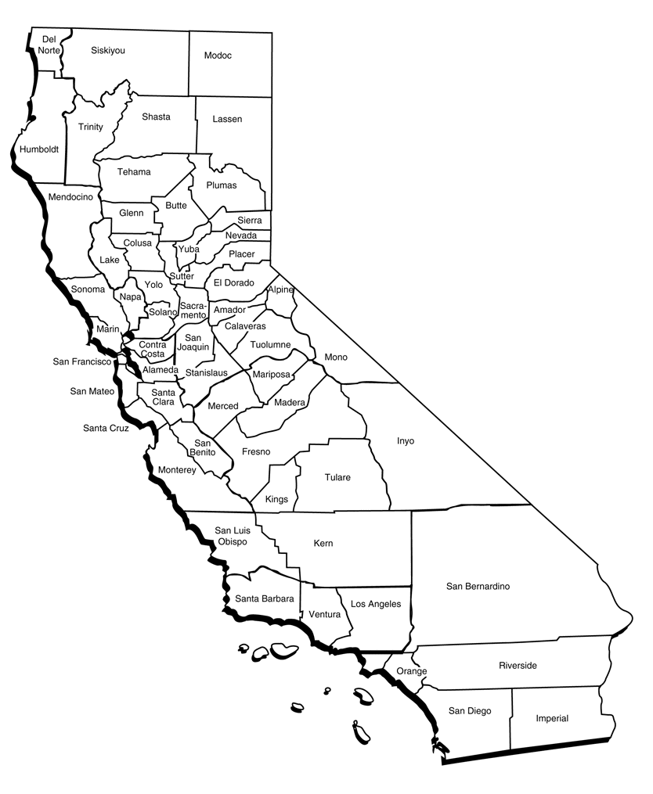
 | 11.44632035 | 11.28076923 | 10.92696078 | 12.40091743 | 12.13150685 | 10.08571429
 | 8.651489601 | 8.289702849 | 8.532491237 | 11.14183085 | 10.56681202 | 10.20480888
 | 10.44487179 | 8.527390181 | 8.065117613 | 7.796676005 | 8.360641346 | 6.385562997
 | 5.781961988 | 4.859564078 | 6.039039767 | 4.702479339 | 4.341577228 | 4.287063267
 | 11.09334764 | 10.75781893 | 10.59445545 | 10.74778761 | 15.30489988 | 10.16743145
 | 10.15453427 | 9.760525959 | 7.448133981 | 7.315866624 | 5.522116104 | 6.338994458
 | 9.55420844 | 8.196360972 | 10.17366846 | 7.674705814 | 7.586633953 | 7.620438827
 | 12.03968038 | 11.02611203 | 14.31036963 | 10.96943452 | 12.70725029 | 11.700175
 | 8.897803125 | 7.522016274 | 9.200379784 | 8.746231669 | 8.163478484 | 6.924912747
 | 8.867820558 | 8.570083234 | 10.73960302 | 7.145918249 | 5.721728081 | 8.327173656
 | 9.420523256 | 8.108218449 | 8.280313372 | 8.189985389 | 8.045679817 | 7.057401565
 |  | 7.925612952 | 10.64175198 | 7.601690547 | 8.526346005 | 7.743219645
 |  | 5.808606752 | 8.403958008 | 7.285838814 | 5.533557912 | 5.296084161
 |  | 5.905521472 | 5.541772152 | 5.292638037 | 7.452631579 | 5.05
...
 |  | 2012 PM2.5 | 2013 PM2.5 | 2014 PM2.5 | 2015 PM2.5 | 2016 PM2.5
 |  | 5.738983051 | 7.931578947 | 10.41627907 | 7.474074074 | 4.936206897
 |  | 9.00660066 | 10.73037503 | 9.971103632 | 9.49618967 | 7.949479671
 |  | 8.257294103 | 8.55982165 | 7.791893814 | 6.674390683 | 4.678413585
 |  | 13.3261861 | 14.70604896 | 11.92912049 | 11.84187211 | 12.00123508
 |  | 6.94519774 | 8.200952381 | 9.320382166 | 9.660909091 | 8.118518519
...
 |  | 2012 PM2.5 | 2013 PM2.5 | 2014 PM2.5 | 2015 PM2.5 | 2016 PM2.5
 |  | 14.76324786 | 18.3982906 | 17.86209677 | 16.11923077 | 14.70677966
...
 |  | 2012 PM2.5 | 2013 PM2.5 | 2014 PM2.5 | 2015 PM2.5 | 2016 PM2.5
 |  | 9.477005593 | 8.720523128 | 8.944219519 | 8.356385177 | 8.791687022
 |  | 6.470967742 | 7.19122807 | 5.885964912 | 7.625423729 | 6.316666667
...
 |  | 6.142586392 | 9.617894383 | 7.134820736 | 8.313888066 | 6.393632417

Asthma_R vs PM2-5_CA_2011-16_B
...
 |  |  |  | O3_2015 |  | O3_2016
 |  |  | Butte | 35.617726027 | Butte | 34.714380822
 |  |  | Calaveras | 32.483876712 | Calaveras | 33.284734973
25.864 | Colusa | 27.96235989 | Colusa | 28.767083102 | Colusa | 31.802575758
23.904874701 | Contra Costa | 26.253355322 | Contra Costa | 27.041267764 | Contra Costa | 26.213354478
43.029723056 | El Dorado | 44.492569061 | El Dorado | 42.535756364 | El Dorado | 44.745012739
34.398470125 | Fresno | 35.045881991 | Fresno | 34.044153677 | Fresno | 34.440248621
29.614231198 | Glenn | 29.350643836 | Glenn | 29.683928767 | Glenn | 29.437943503
23.32715884 | Humboldt | 23.075117403 | Humboldt | 24.80939369 | Humboldt | 25.22705487
33.857626195 | Imperial | 32.668799242 | Imperial | 31.137761401 | Imperial | 31.112709148
44.951532033 | Inyo | 45.030320548 | Inyo | 42.053497222 | Inyo | 37.837021243
 | Asthma_PM2.5_2011
70.9173913 | 9.319156758
78.48333333
72.73333333 | 12.00327869
66.50833333 | 9.242926483
38.97857143
93.23478261 | 5.830244552
38.44375 | 8.458422939
81.35217391
48.68571429
83.21428571 | 15.16257259
91.53529412
64.40714286 | 8.803835006
70.67142857 | 9.759793814
115.7055556 | 8.444740134
133.7588235 | 8.260165148
62.30416667 | 17.07742668
112.5
49.32
51.95454545 | 11.83193744
116.3263158 | 17.67533753
118.945 | 10.11266376
61.43333333
44.19444444
51.67857143 | 15.71937179
44.15454545
37.87
53.87391304 | 6.307554766
72.9173913
65.5 | 4.676470588
71.43043478 | 10.35865801
49.86956522 | 8.462295082
70.11363636 | 11.44632035
77.5 | 8.651489601
51.55294118 | 10.44487179
49.73809524 | 5.781961988
47.08421053 | 11.09334764
46.54285714 | 10.15453427
46.92777778 | 9.55420844
85.04444444 | 12.03968038
39.1 | 8.897803125
94.95 | 8.867820558
69.4 | 9.420523256
81.3047619 | 8.190731205
35.20526316 | 6.520391325
56.29333333 | 5.169642857
67.895
55.03846154 | 5.564516129
51.0952381 | 10.13958285
42.46842105 | 8.639355825
 | 15.9953107
...
36.82972054 | Kern | 38.435197274 | Kern | 36.887526261 | Kern | 38.087755433
36.748846922 | Kings | 35.196346968 | Kings | 32.913849448 | Kings | 33.341103448
Asthma_PM2.5_2011_Mnd_Laeke excluded
 | Asthma_PM2.5_2011
70.9173913 | 9.319156758
78.48333333
72.73333333 | 12.00327869
66.50833333 | 9.242926483
38.97857143
93.23478261 | 5.830244552
38.44375 | 8.458422939
81.35217391
48.68571429
83.21428571 | 15.16257259
91.53529412
64.40714286 | 8.803835006
70.67142857 | 9.759793814
115.7055556 | 8.444740134
133.7588235 | 8.260165148
62.30416667 | 17.07742668
112.5
49.32
51.95454545 | 11.83193744
116.3263158 | 17.67533753
118.945 | 10.11266376
61.43333333
44.19444444
51.67857143 | 15.71937179
44.15454545
37.87
53.87391304 | 6.307554766
72.9173913
65.5 | 4.676470588
71.43043478 | 10.35865801
49.86956522 | 8.462295082
70.11363636 | 11.44632035
77.5 | 8.651489601
51.55294118 | 10.44487179
49.73809524 | 5.781961988
47.08421053 | 11.09334764
46.54285714 | 10.15453427
46.92777778 | 9.55420844
85.04444444 | 12.03968038
39.1 | 8.897803125
94.95 | 8.867820558
69.4 | 9.420523256
81.3047619 | 8.190731205
35.20526316 | 6.520391325
56.29333333 | 5.169642857
67.895
55.03846154 | 5.564516129
51.0952381 | 10.13958285
42.46842105 | 8.639355825
 | 15.9953107
...
28.806860274 | Lake | 32.640271978 | Lake | 30.949619178 | Lake | 28.187237705
29.565831792 | Los Angeles | 31.033579635 | Los Angeles | 31.377077584 | Los Angeles | 30.453347384
Asthma_PM2.5_2011_Mnd_Laeke excluded
 | Asthma_PM2.5_2011
70.9173913 | 9.319156758
78.48333333
72.73333333 | 12.00327869
66.50833333 | 9.242926483
38.97857143
93.23478261 | 5.830244552
38.44375 | 8.458422939
81.35217391
48.68571429
83.21428571 | 15.16257259
91.53529412
64.40714286 | 8.803835006
70.67142857 | 9.759793814
115.7055556 | 8.444740134
133.7588235 | 8.260165148
62.30416667 | 17.07742668
112.5
49.32
51.95454545 | 11.83193744
116.3263158 | 17.67533753
118.945 | 10.11266376
61.43333333
44.19444444
51.67857143 | 15.71937179
44.15454545
37.87
53.87391304 | 6.307554766
72.9173913
65.5 | 4.676470588
71.43043478 | 10.35865801
49.86956522 | 8.462295082
70.11363636 | 11.44632035
77.5 | 8.651489601
51.55294118 | 10.44487179
49.73809524 | 5.781961988
47.08421053 | 11.09334764
46.54285714 | 10.15453427
46.92777778 | 9.55420844
85.04444444 | 12.03968038
39.1 | 8.897803125
94.95 | 8.867820558
69.4 | 9.420523256
81.3047619 | 8.190731205
35.20526316 | 6.520391325
56.29333333 | 5.169642857
67.895
55.03846154 | 5.564516129
51.0952381 | 10.13958285
42.46842105 | 8.639355825
 | 15.9953107
...
37.382961765 | Madera | 36.742135166 | Madera | 33.323058739 | Madera | 32.405824897
21.550819178 | Marin | 22.848123288 | Marin | 23.53279558 | Marin | 23.404322404
47.637561051 | Mariposa | 48.939207294 | Mariposa | 46.268025688 | Mariposa | 47.368344762
17.889631579 | Mendocino | 23.374508242 | Mendocino | 22.086852941 | Mendocino | 22.765011142
31.573811966 | Merced | 34.137597796 | Merced | 32.537139535 | Merced | 31.869213115
26.716164371 | Monterey | 26.861531507 | Monterey | 26.92684418 | Monterey | 25.519739526
22.615375342 | Napa | 22.225641096 | Napa | 23.509870166 | Napa | 22.694196721
46.876174397 | Nevada | 48.727330882 | Nevada | 48.004885397 | Nevada | 46.106857923
27.68183007 | Orange | 29.287267368 | Orange | 30.345733977 | Orange | 30.510075172
31.190905574 | Placer | 33.729016602 | Placer | 33.502355445 | Placer | 35.625654247
37.686504432 | Riverside | 39.724812634 | Riverside | 38.329912221 | Riverside | 39.020536681
27.972590909 | Sacramento | 29.38763939 | Sacramento | 28.725038431 | Sacramento | 28.669315434
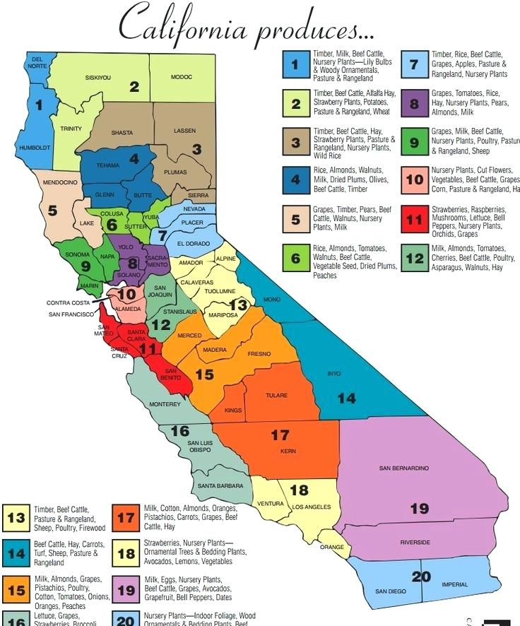
30.469914127 | San Benito | 31.264694215 | San Benito | 29.769593151 | San Benito | 28.987733516
39.333783568 | San Bernardino | 40.376600193 | San Bernardino | 39.655916848 | San Bernardino | 40.667936002
28.88541999 | San Diego | 30.682818182 | San Diego | 33.052256878 | San Diego | 35.96736227
21.030391781 | San Francisco | 22.441838356 | San Francisco | 23.228178571 | San Francisco | 23.068591781
29.555646688 | San Joaquin | 32.680563107 | San Joaquin | 31.08486795 | San Joaquin | 29.027654795
31.216856358 | San Luis Obispo | 31.362709398 | San Luis Obispo | 31.662408641 | San Luis Obispo | 31.413737461
20.089054795 | San Mateo | 21.935030137 | San Mateo | 22.208635359 | San Mateo | 21.849248634
31.4373467 | Santa Barbara | 32.160025264 | Santa Barbara | 31.823718382 | Santa Barbara | 30.737847356
24.766928767 | Santa Clara | 26.18576 | Santa Clara | 27.130377049 | Santa Clara | 25.692315742
25.26179863 | Santa Cruz | 25.407060166 | Santa Cruz | 24.136715068 | Santa Cruz | 23.644778393
28.769612554 | Shasta | 30.16393587 | Shasta | 32.076838013 | Shasta | 30.397084663
28.169700549 | Siskiyou | 27.602841096 | Siskiyou | 27.63607967 | Siskiyou | 20.864423823
 |  | 27.008117163 | Solano | 27.575985641 | Solano | 26.592783811
 |  | 24.858418637 | Sonoma | 23.95578542 | Sonoma | 23.643828017
 |  | 32.062459459 | Stanislaus | 30.788645746 | Stanislaus | 29.183526171
 |  | 34.468222011 | Sutter | 33.809630314 | Sutter | 34.42415331
 |  | 37.841168242 | Tehama | 38.66840824 | Tehama | 39.765342806
 |  | 41.007718579 | Tulare | 40.013842355 | Tulare | 41.30624483
 |  | 38.438519403 | Tuolumne | 34.087980822 | Tuolumne | 38.066460674
 |  | 31.815375 | Ventura | 31.531042952 | Ventura | 31.451104167
 |  | 26.62184903 | Yolo | 27.34981893 | Yolo | 26.591038728
...

Asthma_log vs PM2-5_CA_
Asthma_PM2.5_2011_Mnd_Laeke excluded
 | Asthma_PM2.5_2011
70.9173913 | 9.319156758
78.48333333
72.73333333 | 12.00327869
66.50833333 | 9.242926483
61.89166667
38.97857143 | 5.830244552
93.23478261 | 8.458422939
83.3375
38.44375
81.35217391 | 15.16257259
48.68571429
83.21428571 | 8.803835006
91.53529412 | 9.759793814
64.40714286 | 8.444740134
70.67142857 | 8.260165148
115.7055556 | 17.07742668
42.11818182
62.30416667 | 11.83193744
112.5 | 17.67533753
49.32 | 10.11266376
51.95454545
118.945 | 15.71937179
61.05
15.96666667
61.43333333 | 6.307554766
44.19444444
51.67857143 | 4.676470588
44.15454545 | 10.35865801
37.87 | 8.462295082
63.36666667 | 11.44632035
53.87391304 | 8.651489601
72.9173913 | 10.44487179
65.5 | 5.781961988
71.43043478 | 11.09334764
49.86956522 | 10.15453427
70.11363636 | 9.55420844
77.5 | 12.03968038
51.55294118 | 8.897803125
49.73809524 | 8.867820558
47.08421053 | 9.420523256
46.54285714 | 8.190731205
46.92777778 | 6.520391325
85.04444444 | 5.169642857
108.7166667
39.1 | 5.564516129
94.95 | 10.13958285
69.4 | 8.639355825
81.3047619 | 15.9953107
...
 |  | 2014 PM2.5 | 2015 PM2.5 | 2016 PM2.5
 |  | 8.550984971 | 9.340246407 | 7.695975166
...
 |  | 8.807407407 | 9.169578313 | 7.600914634
 |  | 7.922195986 | 8.771994473 | 8.101435407
...
9.01839166 | 7.435803538 | 6.543521798 | 6.837357178 | 4.665881348
7.061688312 | 9.848263788 | 8.59770249 | 8.886865276 | 7.098264563
...
12.34651283 | 14.69641356 | 13.69688145 | 13.46803162 | 11.2792338
...
6.867154547 | 7.642023346 | 10.59469916 | 8.427291812 | 5.962854807
10.63075 | 9.962979684 | 16.68586449 | 12.82632486 | 11.66455285
7.558449074 | 7.995986079 | 7.919697142 | 7.051228995 | 5.352193969
 | Asthma_PM2.5_2011
70.9173913 | 9.319156758
78.48333333
72.73333333 | 12.00327869
66.50833333 | 9.242926483
61.89166667
38.97857143 | 5.830244552
93.23478261 | 8.458422939
83.3375
38.44375
81.35217391 | 15.16257259
48.68571429
83.21428571 | 8.803835006
91.53529412 | 9.759793814
64.40714286 | 8.444740134
70.67142857 | 8.260165148
115.7055556 | 17.07742668
42.11818182
62.30416667 | 11.83193744
112.5 | 17.67533753
49.32 | 10.11266376
51.95454545
118.945 | 15.71937179
61.05
15.96666667
61.43333333 | 6.307554766
44.19444444
51.67857143 | 4.676470588
44.15454545 | 10.35865801
37.87 | 8.462295082
63.36666667 | 11.44632035
53.87391304 | 8.651489601
72.9173913 | 10.44487179
65.5 | 5.781961988
71.43043478 | 11.09334764
49.86956522 | 10.15453427
70.11363636 | 9.55420844
77.5 | 12.03968038
51.55294118 | 8.897803125
49.73809524 | 8.867820558
47.08421053 | 9.420523256
46.54285714 | 8.190731205
46.92777778 | 6.520391325
85.04444444 | 5.169642857
108.7166667
39.1 | 5.564516129
94.95 | 10.13958285
69.4 | 8.639355825
81.3047619 | 15.9953107
...
6.910020152 | 9.130939095 | 6.713157895 | 5.91289462 | 8.040059543
14.78323228 | 18.07660434 | 17.04384442 | 16.23296586 | 15.65533227
...
Asthma_PM2.5_2011_Mnd_Laeke excluded
1.8507527517 | 9.319156758
1.89477744
1.8617334915 | 12.00327869
1.8228760647 | 9.242926483
1.7916321779
1.5908259181 | 5.830244552
1.9695779625 | 8.458422939
1.9208404681
1.5848257444
1.9103691627 | 15.16257259
1.6874015461
1.9201978897 | 8.803835006
1.9615885813 | 9.759793814
1.808934034 | 8.444740134
1.8492438703 | 8.260165148
2.0633542121 | 17.07742668
1.6244696151
1.7945170916 | 11.83193744
2.0511525224 | 17.67533753
1.6930230679 | 10.11266376
1.7156235495
2.0753461907 | 15.71937179
1.7856856683
1.2032142588
1.7884040805 | 6.307554766
1.6453676788
1.7133104998 | 4.676470588
1.6449754183 | 10.35865801
1.5782953051 | 8.462295082
1.8018608622 | 11.44632035
1.7313785209 | 8.651489601
1.8628311229 | 10.44487179
1.8162413 | 5.781961988
1.8538832936 | 11.09334764
1.6978355819 | 10.15453427
1.8458024919 | 9.55420844
1.8893017025 | 12.03968038
1.7122534475 | 8.897803125
1.6966891496 | 8.867820558
1.6728752929 | 9.420523256
1.6678530399 | 8.190731205
1.6714299891 | 6.520391325
1.9296459484 | 5.169642857
2.0362961283
1.5921767574 | 5.564516129
1.9774949691 | 10.13958285
1.8413594705 | 8.639355825
1.9101159823 | 15.9953107
...
11.24567355 | 11.31395813 | 13.36201201 | 11.02863415 | 10.99526105
12.1181682 | 14.04884755 | 12.30671195 | 13.86822808 | 12.13469763
8.095042818 | 10.85516106 | 10.79908622 | 8.846850293 | 6.486876956
...
10.92383003 | 13.30856846 | 10.8316318 | 12.94744023 | 11.9947744
...
5.731877422 | 6.541280166 | 4.775783043 | 5.640421322 | 5.804339067
...
4.634188034 | 6.892631579 | 5.385555556 | 4.941052632 | 5.712716763
10.05680851 | 9.577901786 | 11.88257576 | 8.877073171 | 8.874678112
5.146652144 | 6.622941446 | 6.708379234 | 7.676682189 | 6.013099442
11.28076923 | 10.92696078 | 12.40091743 | 12.13150685 | 10.08571429
8.289702849 | 8.532491237 | 11.14183085 | 10.56681202 | 10.20480888
8.527390181 | 8.065117613 | 7.796676005 | 8.360641346 | 6.385562997
4.859564078 | 6.039039767 | 4.702479339 | 4.341577228 | 4.287063267
Asthma_PM2.5_2011_Mnd_Laeke excluded
4.2615156968 | 9.319156758
4.362886288
4.2867997847 | 12.00327869
4.197327253 | 9.242926483
4.1253855449
3.6630120446 | 5.830244552
4.535120856 | 8.458422939
4.4228986279
3.649196134
4.3987875562 | 15.16257259
3.885385646
4.4214190363 | 8.803835006
4.516724626 | 9.759793814
4.1652245409 | 8.444740134
4.2580413692 | 8.260165148
4.7510486503 | 17.07742668
3.7404795197
4.1320283043 | 11.83193744
4.7229532216 | 17.67533753
3.8983296783 | 10.11266376
3.9503692103
4.7786612014 | 15.71937179
4.1116932006
2.770503216
4.117952576 | 6.307554766
3.7885990898
3.9450432165 | 4.676470588
3.7876958765 | 10.35865801
3.6341592419 | 8.462295082
4.1489379609 | 11.44632035
3.9866463726 | 8.651489601
4.2893271743 | 10.44487179
4.1820501426 | 5.781961988
4.2687240359 | 11.09334764
3.9094109013 | 10.15453427
4.2501173024 | 9.55420844
4.3502779364 | 12.03968038
3.9426092637 | 8.897803125
3.9067711433 | 8.867820558
3.8519377119 | 9.420523256
3.8403735471 | 8.190731205
3.8486097769 | 6.520391325
4.4431739956 | 5.169642857
4.6887451099
3.666122467 | 5.564516129
4.5533504373 | 10.13958285
4.2398868675 | 8.639355825
4.3982045868 | 15.9953107
...
10.75781893 | 10.59445545 | 10.74778761 | 15.30489988 | 10.16743145
9.760525959 | 7.448133981 | 7.315866624 | 5.522116104 | 6.338994458
8.196360972 | 10.17366846 | 7.674705814 | 7.586633953 | 7.620438827
 |  | 10.96943452 | 12.70725029 | 11.700175
 |  | 8.746231669 | 8.163478484 | 6.924912747
 |  | 7.145918249 | 5.721728081 | 8.327173656
 |  | 8.189985389 | 8.045679817 | 7.057401565
 |  | 7.601690547 | 8.526346005 | 7.743219645
 |  | 7.285838814 | 5.533557912 | 5.296084161
 |  | 5.292638037 | 7.452631579 | 5.05
...
 |  | 10.41627907 | 7.474074074 | 4.936206897
 |  | 9.971103632 | 9.49618967 | 7.949479671
 |  | 7.791893814 | 6.674390683 | 4.678413585
 |  | 11.92912049 | 11.84187211 | 12.00123508
 |  | 9.320382166 | 9.660909091 | 8.118518519
...
 |  | 10.8316318 | 12.94744023 | 11.9947744
 |  | 17.86209677 | 16.11923077 | 14.70677966
...
 |  | 10.8316318 | 12.94744023 | 11.9947744
 |  | 8.944219519 | 8.356385177 | 8.791687022
 |  | 5.885964912 | 7.625423729 | 6.316666667
...
 |  | 4.06557377 | 3.845 | 2.985245902
...

